Bug_Report
ProjectName | Tutorial Ninga Application
Document | Bug Report
Created By | Murali Manohar
Date of creation | 2024-09-06

Bug ID | Priority | Bug Description | Pre-condition | Steps to reproduce | Expected result | Actual result | Status | Test Executed By | Browser & OS | Screenshot
TNA_BR_001 | High | When we register an account, user should receive a confirmation email. | 1.launch browser. 2.hit url: https://tutorialsninja.com/demo | 1.open browser and enter the url:https://tutorialsninja.com/demo 2.Click on the My Account option on the top right of the screen. 3.Click on register option in MyAccount dropdown options. 4. Enter all the mandatory fields in the registeration screen. 5. Click on submit button. 6.Verify the user recieves the confirmation email | User should receive a confirmation email. | No confirmation email is received. | Fail | Murali Manohar | Browser: Chrome. OS: Windows 11. | Not applicable
TNA_BR_002 | High | Telephone field should not accept alphabets and special charatecers. | 1.launch browser. 2.hit url: https://tutorialsninja.com/demo | 1.open browser and enter the url:https://tutorialsninja.com/demo 2.Click on the My Account option on the top right of the screen. 3.Click on register option in MyAccount dropdown options. 4. Enter all the mandatory fields in the registeration screen. 5. Click on submit button. 6.Verify the user recieves the confirmation email | User should receive an error messsage as invalid mobile number please correct and try again. | Allowed the user to enter the combination. | Fail | Murali Manohar | Browser: Chrome. OS: Windows 11. | 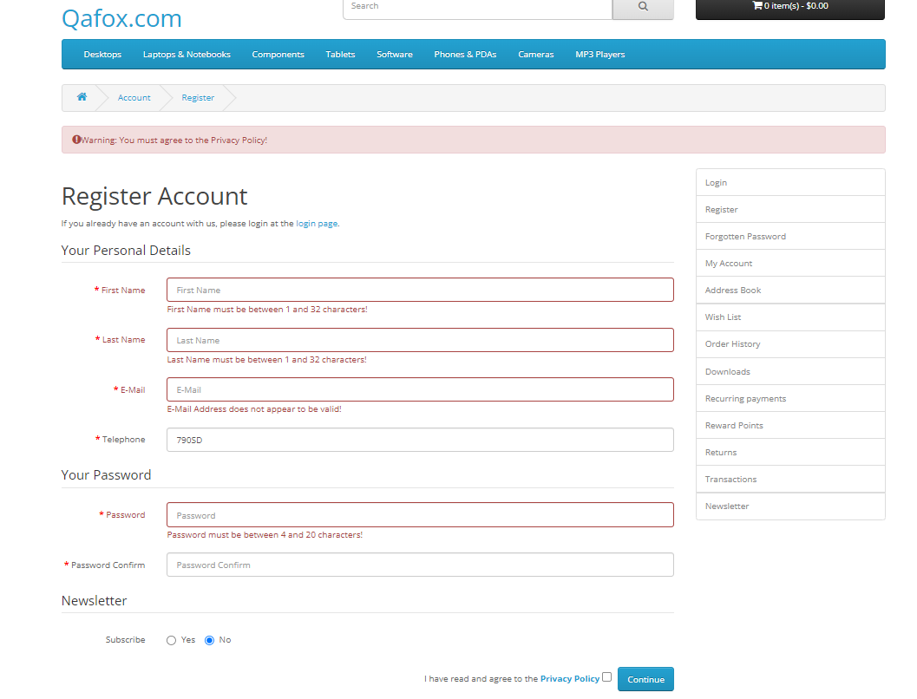
TNA_BR_003 | Medium | Telephone field should display the Mobile Number limit while enetering and throws error if limit exceeds. | 1.launch browser. 2.hit url: https://tutorialsninja.com/demo | 1.open browser and enter the url:https://tutorialsninja.com/demo 2.Click on the My Account option on the top right of the screen. 3.Click on register option in MyAccount dropdown options. 4. Enter all the mandatory fields in the registeration screen. 5. Click on submit button. 6.Verify the user recieves the confirmation email | User should receive an error messsage as invalid mobile number please correct and try again. | No limit was shown till submisssion. | Fail | Murali Manohar | Browser: Chrome. OS: Windows 11. | 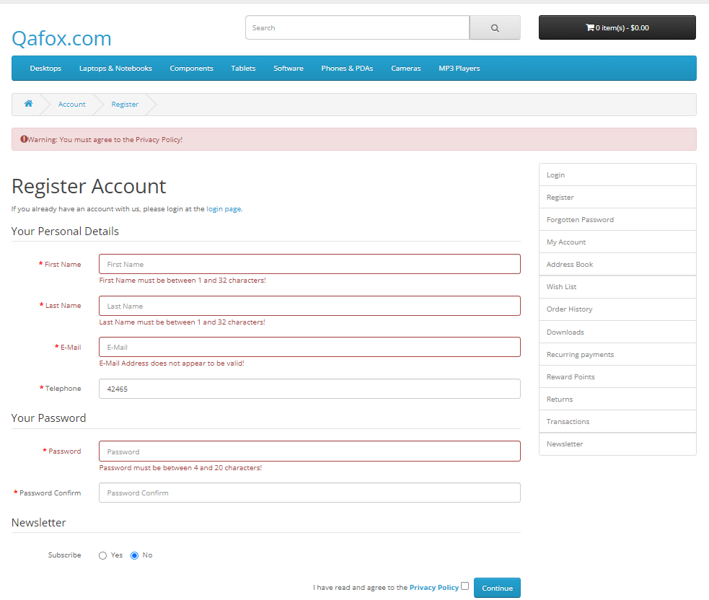
TNA_BR_004 | Medium | Telephone field should display the limit, while enetering and throws error if limit exceeds. | 1.launch browser. 2.hit url: https://tutorialsninja.com/demo | 1.open browser and enter the url:https://tutorialsninja.com/demo 2.Click on the My Account option on the top right of the screen. 3.Click on register option in MyAccount dropdown options. 4. Enter all the mandatory fields in the registeration screen. 5. Click on submit button. 6.Verify the user recieves the confirmation email | User should receive an error messsage as invalid mobile number please correct and try again. | No limit was shown till submisssion. | Fail | Murali Manohar | Browser: Chrome. OS: Windows 11. | 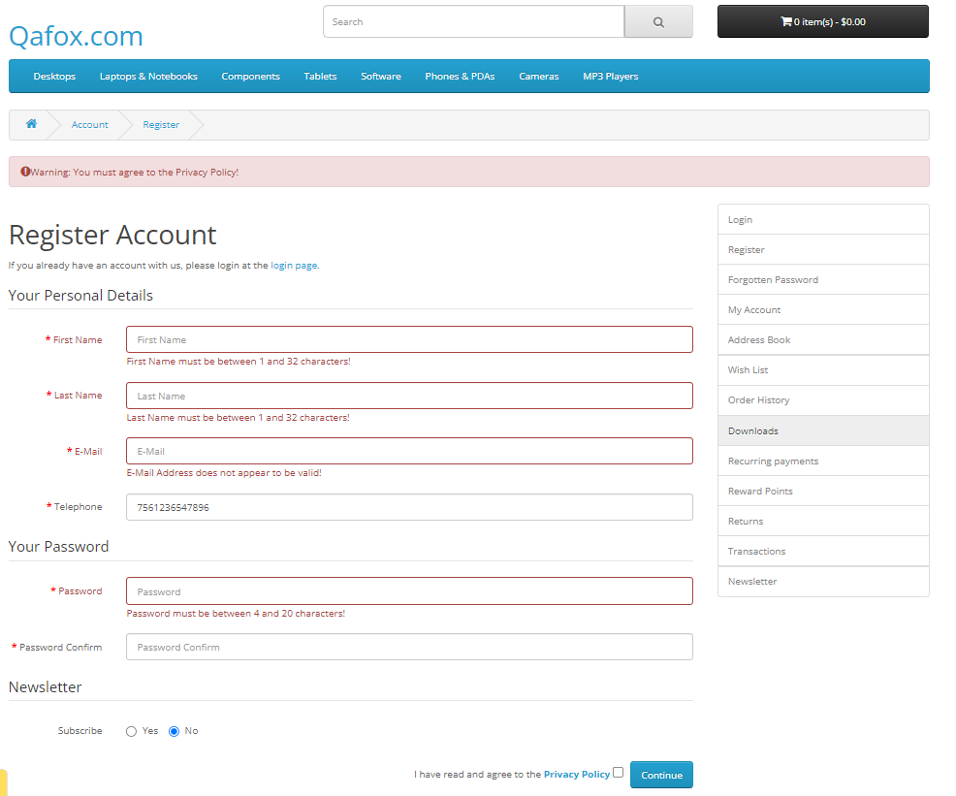
TNA_BR_005 | High | Password text field should accept password as combination of aplphanumeric and special charaecters. | 1.launch browser. 2.hit url: https://tutorialsninja.com/demo/. | 1.open browser and enter the url:https://tutorialsninja.com/demo 2.Click on the My Account option on the top right of the screen. 3.Click on register option in MyAccount dropdown options. 4. Enter all the mandatory fields in the registeration screen. 5. Click on submit button. 6.Verify the user recieves the confirmation email | Password field, prompt message with acceptance limit and combination. password has to be rejected. | No combination & accceptance message shown, password accepted | Fail | Murali Manohar | Browser: Chrome. OS: Windows 11. | 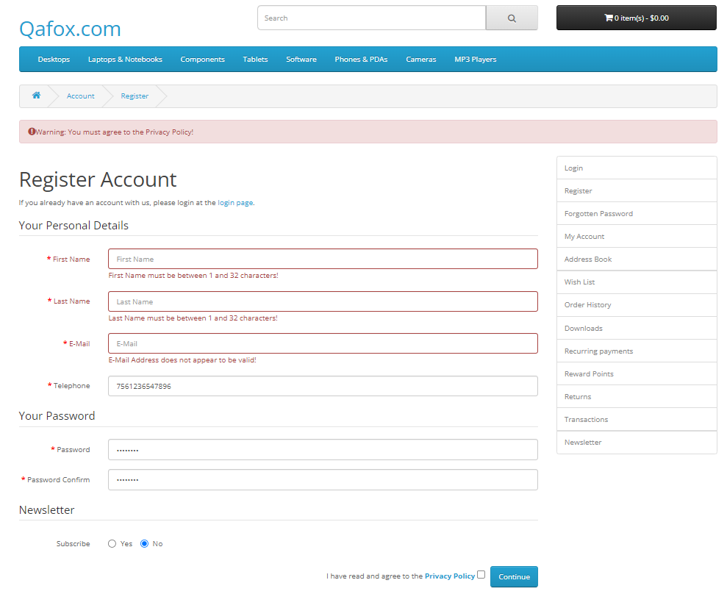
TNA_BR_006 | Medium | Password text field should have min and max charecter limit, at begining/while enetering. | 1.launch browser. 2.hit url: https://tutorialsninja.com/demo | 1.open browser and enter the url:https://tutorialsninja.com/demo 2.Click on the My Account option on the top right of the screen. 3.Click on register option in MyAccount dropdown options. 4. Enter all the mandatory fields in the registeration screen. 5. Click on submit button. 6.Verify the user recieves the confirmation email | while entering password, limit has to be shown. | Limit while or begining of entering password was not shown. | Fail | Murali Manohar | Browser: Chrome. OS: Windows 11.
TNA_BR_007 | High | In Firstname & lastname , no special charaecters or numbers be allowed. | 1.launch browser. 2.hit url: https://tutorialsninja.com/demo | 1.open browser and enter the url:https://tutorialsninja.com/demo 2.Click on the My Account option on the top right of the screen. 3.Click on register option in MyAccount dropdown options. 4. Enter all the mandatory fields in the registeration screen. 5. Click on submit button. 6.Verify the user recieves the confirmation email | shuld not accept the format and account was unable to register, throws to check the first and last name | fields were accepteed sucessfully, no error message. | Fail | Murali Manohar | Browser: Chrome. OS: Windows 11. | 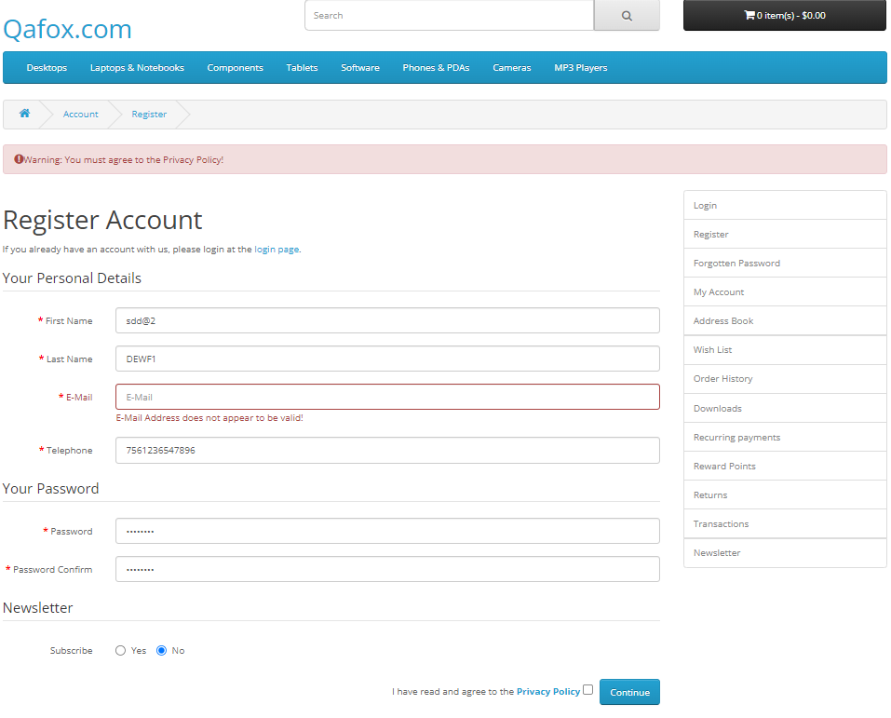
TNA_BR_008 | Medium | If user leaves the password field blank. | 1.launch browser. 2.hit url: https://tutorialsninja.com/demo 3.Already account cretaed. | 1.open browser and enter the url:https://tutorialsninja.com/demo 2.Click on the My Account option on the top right of the screen. 3.Click on login option in MyAccount dropdown options. 4. Enter the credentials in the login screen. 5. Click on login button. 6.Verify the user enters the home page. | It should highlight "Password field should not be empty" | The highlighted message was not matching with the expected, and also it doesn't allow user to login. | Fail | Murali Manohar | Browser: Chrome. OS: Windows 11. | 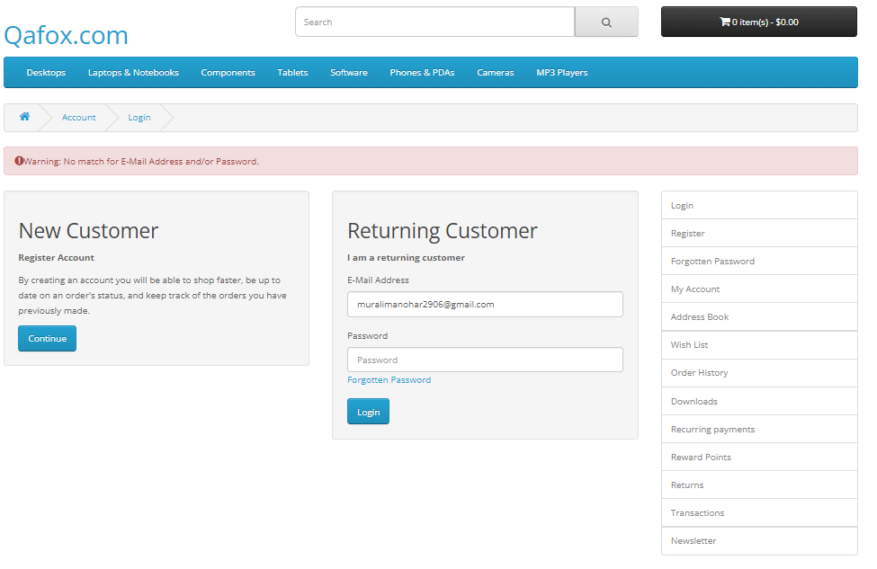
TNA_BR_009 | High | If user enters the wrong password. | 1.launch browser. 2.hit url: https://tutorialsninja.com/demo 3.Already account cretaed. | 1.open browser and enter the url:https://tutorialsninja.com/demo 2.Click on the My Account option on the top right of the screen. 3.Click on login option in MyAccount dropdown options. 4. Enter the credentials in the login screen. 5. Click on login button. 6.Verify the user enters the home page. | User hsould not be able to login and tells only the password is incorrect | Unable to login and also the prompt was overall, not specific to password. | Fail | Murali Manohar | Browser: Chrome. OS: Windows 11. | 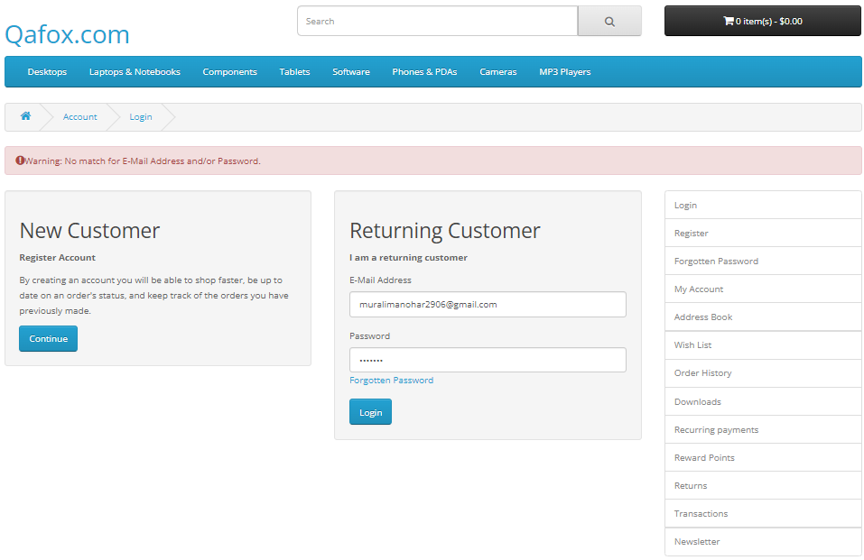
TNA_BR_010 | High | Passsword entered should be viewed | 1.launch browser. 2.hit url: https://tutorialsninja.com/demo 3.Already account cretaed. | 1.open browser and enter the url:https://tutorialsninja.com/demo 2.Click on the My Account option on the top right of the screen. 3.Click on login option in MyAccount dropdown options. 4. Enter the credentials in the login screen. 5. Click on login button. 6.Verify the user enters the home page. | The entered password should be viewed. | There was no option to view the entered password. | Fail | Murali Manohar | Browser: Chrome. OS: Windows 11.
TNA_BR_011 | High | Password text field should have min and max charecter limit, at begining/while enetering. | 1.launch browser. 2.hit url: https://tutorialsninja.com/demo 3.Already account cretaed. | 1.open browser and enter the url:https://tutorialsninja.com/demo 2.Click on the My Account option on the top right of the screen. 3.Click on login option in MyAccount dropdown options. 4. Enter the credentials in the login screen. 5. Click on login button. 6.Verify the user enters the home page. | while entering password, limit has to be shown. | Limit was not visisble. | Fail | Murali Manohar | Browser: Chrome. OS: Windows 11.
TNA_BR_012 | High | Forgot password link was sent to unregistered account. | 1.launch browser. 2.hit url: https://tutorialsninja.com/demo 3.Already account cretaed. | 1.open browser and enter the url:https://tutorialsninja.com/demo 2.Click on the My Account option on the top right of the screen. 3.Click on login option in MyAccount dropdown options. 4.Click on Forget Password. 5. Enter the registered email. 6.Click on Continue button. 7.User should recieve the passsword reset link email. | If user enters the unregistered emailid, it should not send the email link. | It doesnt send the mail, but prompt the user email shared suceessfully. | Fail | Murali Manohar | Browser: Chrome. OS: Windows 11. | 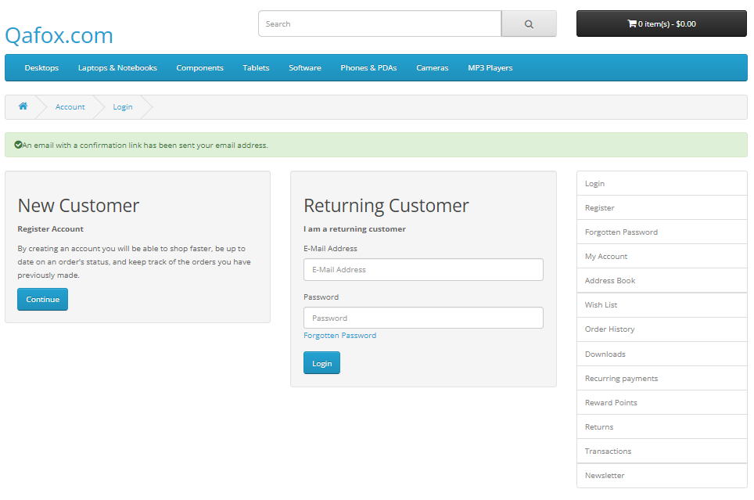
TNA_BR_013 | High | To cahnge password using forgot password, no email/link received. | 1.launch browser. 2.hit url: https://tutorialsninja.com/demo 3.Already account cretaed. | 1.open browser and enter the url:https://tutorialsninja.com/demo 2.Click on the My Account option on the top right of the screen. 3.Click on login option in MyAccount dropdown options. 4.Click on Forget Password. 5. Enter the registered email. 6.Click on Continue button. 7.User should recieve the passsword reset link email. | To resest password alink has to be shared, but it doesn't received. | Not received any email, but highlights the email send sucessfully. | Fail | Murali Manohar | Browser: Chrome. OS: Windows 11.
TNA_BR_014 | Low | Blank email was entered. | 1.launch browser. 2.hit url: https://tutorialsninja.com/demo | 1.open browser and enter the url:https://tutorialsninja.com/demo 2.Click on the My Account option on the top right of the screen. 3.Click on login option in MyAccount dropdown options. 4.Click on Forget Password. 5. Enter the registered email. 6.Click on Continue button. 7.User should recieve the passsword reset link email. | If user enters the blank email, it should prompt "email field not ne empty" | Not allowed the user to reset password, but prompted "email was not found". | Fail | Murali Manohar | Browser: Chrome. OS: Windows 11. | 